w2
 | Which of the following does not need to be considered in Adaptive Cloud Offloading?
 | Network delay and throughput conditions
 | Cloud server status
 | Energy status of the AR device
y | Weight of the AR device | The AR device’s weight is not an Adaptive Cloud Offloading determinant
 | 1 point
 | 2.Question 2
 | Which of the following is not a part of the recognition of AR technological components?
 | Computer Vision
 | Markers & Features
y | 3D Graphical Assets | 3D graphical assets is the one of the contents file data formats
 | Tracking Sensors
 | Camera API
 | 1 point
 | 3.Question 3
 | Which of following feature detection methods does not use local binary features that are identified using simple point-pair pixel intensity comparisons (Method-2)?
y | SIFT (Scale-Invariant Feature Transform) | SIFT is Method-1
 | BRIEF (Binary Robust Independent Elementary Features)
 | ORB (Oriented FAST and Rotated BRIEF)
 | BRISK (Binary Robust Invariant Scalable Keypoints)
 | 1 point
 | 4.Question 4
 | Which of following is an incorrect description about AR cloud cooperative computation?
y | All object information can always be stored on an AR device | As there are too many objects that exist, so all object information can NOT be stored on a single AR device. Thus an external AR database may be needed
 | AR requires a large amount of computation to complete its task | 1 / 1 point
 | The amount of AR processing directly influences the battery power consumption of the AR device | 5.Question 5
 | To reduce the processing load and overcome AR database limitations of the AR device, AR Cloud Computation Offloading can be used
 | 1 point
 | 5.Question 5
 | What is the AR feature extraction process that is described below?
 | Original image captured by the AR device is changed into a grayscale valued image in order to make it robust to color modifications
y | GIG (Grayscale Image Generation)
 | IIG (Integral Image Generation)
 | RMG (Response Map Generation)
 | IPD (Interest Point Detection)
 | OA (Orientation Assignment)
 | DE (Descriptor Extraction)
 | 1 point
 | 6.Question 6
 | What is the AR feature extraction process that is described below?
 | Based on the generated scale response maps, the maxima and minima (i.e., extrema) are detected and used
 | GIG (Grayscale Image Generation)
 | IIG (Integral Image Generation)
 | RMG (Response Map Generation)
y | IPD (Interest Point Detection)
 | OA (Orientation Assignment)
 | DE (Descriptor Extraction)
 | 1 point

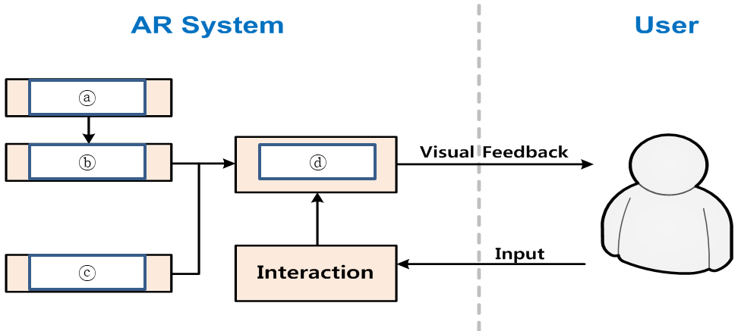
 | TOTAL POINTS 8
 | 1.Question 1
 | An AR workflow is described below. Find the processes that properly fills the blanks in ⓐ-ⓑ-ⓒ-ⓓ order among the options below.

 | Detection – Tracking – Rendering – Contents
y | Detection – Tracking – Contents – Rendering
 | Tracking – Detection – Contents – Rendering
 | Tracking – Detection – Rendering – Contents
 | 1 point
 | 2.Question 2
 | Below shows an AR Feature Extraction Process. Find the process that properly fills the blanks in ⓐ-ⓑ-ⓒ-ⓓ order among the options below.

y | Feature Extraction – Feature Matching – Geometric Verification – Associated Information Retrieval
 | Feature Extraction – Feature Matching – Associated Information Retrieval – Geometric Verification
 | Feature Matching – Feature Extraction – Geometric Verification – Associated Information Retrieval
 | Feature Matching – Feature Extraction – Associated Information Retrieval – Geometric Verification
 | 1 point
 | 3.Question 3
 | Which of following is an incorrect description about AR Feature Detection?
 | Characteristic primitives of an image are identified
y | Identification is done by deselecting all visual cues | Identification is done by highlighting unique visual cues
 | Various feature detection techniques exist
 | Objective is to conduct efficient and effective extraction of stable visual features
 | 1 point
 | 4.Question 4
 | Which of following is not an AR feature detection influencing factor?
 | Environment
 | Changes in viewpoint
y | Image shape
 | Resolution
 | Lighting
 | 1 point
 | 5.Question 5
 | Which of following is an incorrect description about AR cloud offloading?
 | Virtualization allows cloud server vendors to run arbitrary applications (from different customers) on VM (Virtual Machines)
 | Cloud server vendors provide computing cycles
 | AR devices can use computing cycles to reduce their computation load
y | Cloud computing (offloading) use more energy and enhances the response speed of the AR service | Cloud computing (offloading) can help save energy and enhance the response speed of the AR service
 | 1 point
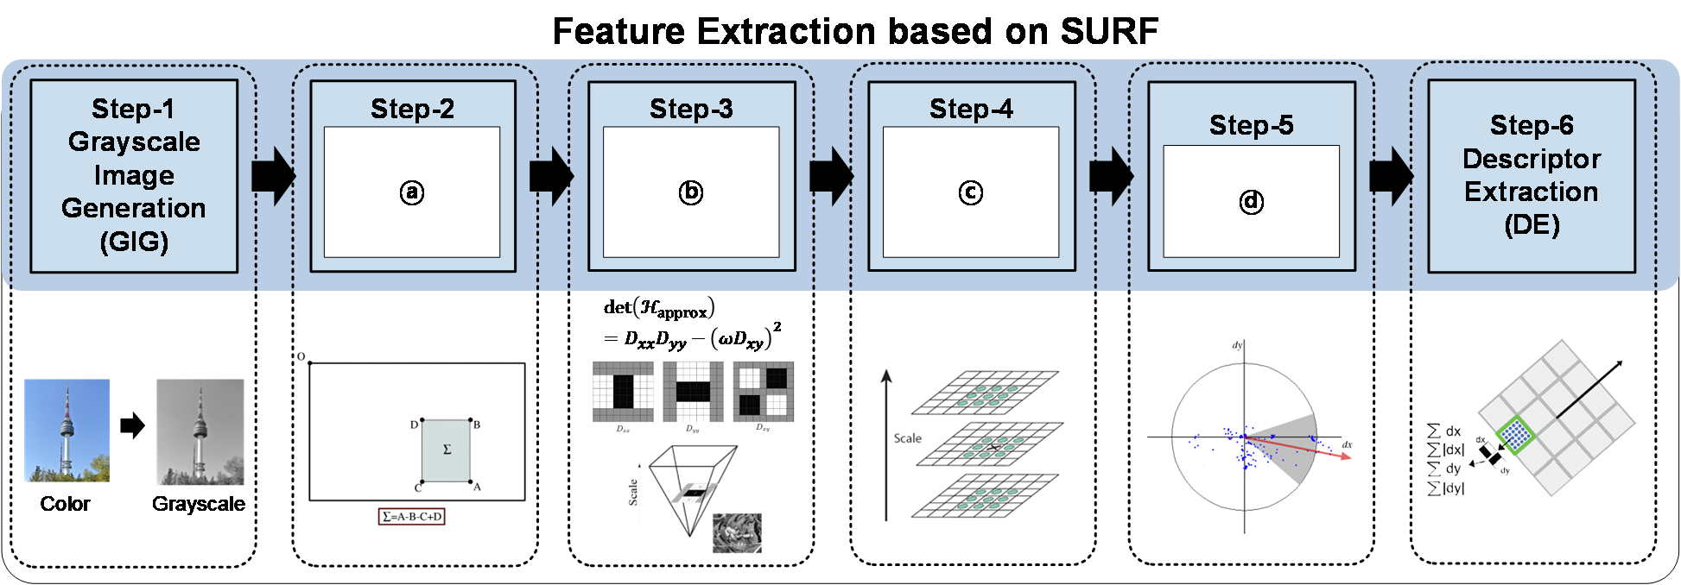
 | 6.Question 6
 | Below shows an AR Feature Extraction Process based on SURF. Find the process that properly fills the blanks in ⓐ-ⓑ-ⓒ-ⓓ order among the options below.

 | Response Map Generation (RMG) – Integral Image Generation (IIG) – Interest Point Detection (IPD) – Orientation Assignment (OA)
 | Response Map Generation (RMG) – Interest Point Detection (IPD) – Orientation Assignment (OA) – Integral Image Generation (IIG)
y | Integral Image Generation (IIG) – Response Map Generation (RMG) – Interest Point Detection (IPD) – Orientation Assignment (OA)
 | Integral Image Generation (IIG) – Interest Point Detection (IPD) – Response Map Generation (RMG) – Orientation Assignment (OA)
 | 1 point
 | 7.Question 7
 | What is the feature extraction process that follows?
 | Process of building an integral image from the grayscale image
 | This procedure enables fast calculation of summations over image sub-regions
 | GIG (Grayscale Image Generation)
y | IIG (Integral Image Generation)
 | RMG (Response Map Generation)
 | IPD (Interest Point Detection)
 | OA (Orientation Assignment)
 | DE (Descriptor Extraction)
 | 1 point
 | 8.Question 8
 | Which of the following is an incorrect description about a Blob?
 | Blob detection uses the LoG (Laplacian of Gaussian) and Hessian Matrix (H)
y | Blob detection uses only dark or black regions to form its boundaries | Region of an image that has constant (or approximately constant) image properties based on Blob detection
 | All the points in a blob are considered to be similar to each other
 | Image properties like brightness and color are used in the comparison process to surrounding regions
 | 1 point

